Sheet1
A company is considering to produce a chemical C, which can be manufactured with
either process II or process III, both of which use as raw material chemical B. B can
be purchased from another company or else manufactured with process I, which uses
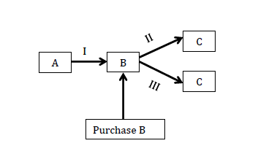
A as raw material.
Given the specifications below, formulate as MILP model and solve it (using Python)
to decide:
(i) which process to build (II & III are exclusive).
(ii) how to obtain chemical B.
(iii) how much should be produced of product C?
The objective is to maximize profit.
Consider the following two cases:
1. Maximum demand of C is 10 tons/hr with a selling price of $1800/ton.
2. Maximum demand of C is 15 tons/hr; the selling price for the first 10 tons/hr
is $1800/ton, and $1500/ton for the excess.

Investment & Operating Costs
 | Fixed ($/hr) | Variable ($/ton)
Process I | 1000 | 250
Process II | 1500 | 400
Process III | 2000 | 550

Prices A: $500/ton ; B: $950/ton

Conversions
Process I 90% of A to B
Process II 82% of B to C
Process III 95% of B to C

Maximum supply of A: 16 tons/hr
(note: scale your cost coefficients – divide them by 100)

